How much do you need to pay
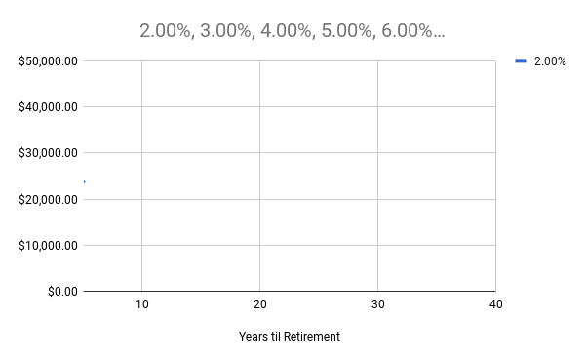
Retirement Planning in Real Dollars

Annual Return: Retirement | 5.00%
Annual Withdrawal Target | $75,000.00
Nest Egg Target | $1,500,000.00

 | Annual Return: Savings
Years til Retirement | 2.00% | 3.00% | 4.00% | 5.00% | 6.00% | 7.00%
5 | $23,802.39
10
15
20
25
30
35
40

Finish and visualize
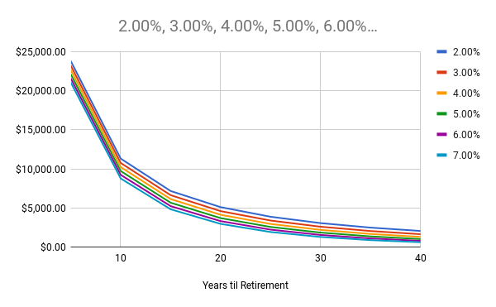
Retirement Planning in Real Dollars

Annual Return: Retirement | 5.00%
Annual Withdrawal Target | $75,000.00
Nest Egg Target | $1,500,000.00

 | Annual Return: Savings
Years til Retirement | 2.00% | 3.00% | 4.00% | 5.00% | 6.00% | 7.00%
5 | $23,802.39 | $23,226.66 | $22,665.79 | $22,119.41 | $21,587.15 | $21,068.64
10 | $11,312.49 | $10,756.70 | $10,225.23 | $9,717.34 | $9,232.28 | $8,769.28
15 | $7,162.76 | $6,630.14 | $6,131.03 | $5,664.13 | $5,228.09 | $4,821.53
20 | $5,098.02 | $4,589.20 | $4,122.67 | $3,696.36 | $3,308.06 | $2,955.45
25 | $3,867.23 | $3,382.23 | $2,947.83 | $2,560.89 | $2,217.99 | $1,915.61
30 | $3,053.35 | $2,591.96 | $2,188.92 | $1,839.64 | $1,539.23 | $1,282.65
35 | $2,477.65 | $2,039.52 | $1,666.82 | $1,353.23 | $1,092.02 | $876.47
40 | $2,050.74 | $1,635.43 | $1,291.92 | $1,011.79 | $786.30 | $606.91

